WSE5.7
Main

 | Lawrie Ltd
 | YE | 2019-12-31

 | All payments recorded in SPL - capital expenditure
 | all receipts in SPL - other income

 | assume nil residual value
 | company does not make annual transfers from the revaluation surplud to RE

 | 2018-12-31 | L&B | P&M | IT
 | Cost | 6,107 | 6,200 | 1,410
 | AD | 2,207 | 3,800 | 600
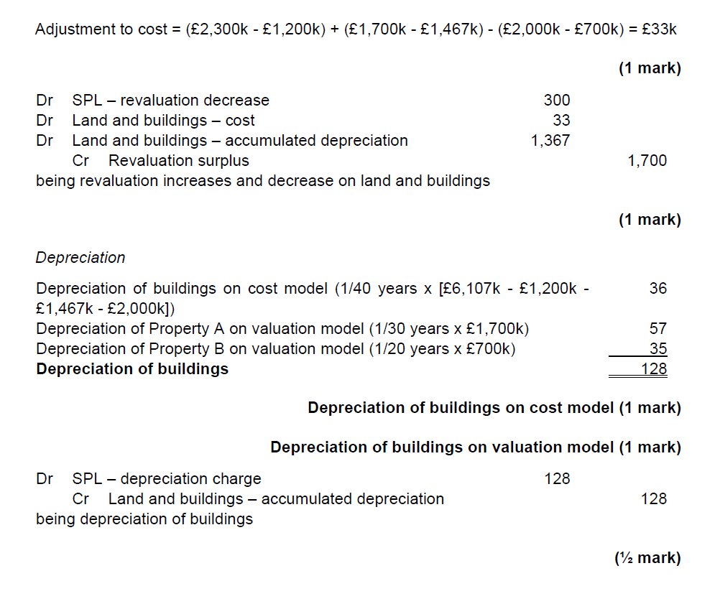
 | NBV | 3,900 | 2,400 | 810

 | Land and buildings

 | Revaluation
 |  |  | Land | Property A | Property B
 | Cost |  | 1,200 | 1,467 | 2,000
 | AD |  | 0 | 367 | 1,000
 | NBV |  | 1,200 | 1,100 | 1,000
 | FV | 2019-01-01 | 2,300 | 1,700 | 700
 | reval increase/(decrease) |  | 1,100 | 600 | -300

 | useful life |  | - | 30 | 20

 | Journals
 | Land
 | dr - land cost |  |  | 1,100 |  | <<<< think the markscheme is wrong
 |  | cr - revaluation reserve |  |  | 1,100 | It is writing the increase in the land back against AD
 | being increase in the value of the land |  |  |  |  | However, land will not have and AD balance to write back against.

 | Propery A
 | dr - cost |  |  | 233
 | dr - AD |  |  | 367
 |  | cr - revaluation reserve |  |  | 600

 | Property B
 | dr - SPL revaluation decerease |  |  | 300
 |  | cr - Cost |  |  | 300

 | dr SPL - revaluation decrease |  |  | 300
 | Dr land and buildings - cost |  |  | 1,033
 | Dr land and buildings - AD |  |  | 367
 |  | cr - revaluation surplus |  |  | 1,700

 | Depreciation
 | buildings | 6,107
 | less land | 1,200
 | less PropA | 1,467
 | less PropB | 2,000
 |  | 1,440
 |  |  | 36

 | Depr'n of prop A |  | 57
 | Depr'n of prop N |  | 35
 |  |  | 128

 | dr- SPL depr'n charge |  |  | 128
 |  | dr - AD |  |  | 128

 | Plant and Machinery
 | new equipment
 | Cost | 2019-02-01 | 410
 | Depr charge | 11 | 38
 | NBV | 2019-12-31 | 372 |  |  |  | Thing to take away is to do the cost and depreciation seperately
 |  |  |  |  |  |  | don';t do the depreciation journals in amongst the cost journals.
 | dr PPE cost |  |  | 410
 | cr - SPL - capital expenditure |  |  |  | 410
 | being correction of new equipment purchase journal

 | Hoist
 | cost | 2011-01-01 | 125
 | AD | 8 | 100
 | NBV |  | 25
 | Proceeds |  | 60
 | gain on disposal |  | 35
 | new hoist | 2019-05-16 | 240
 | depr charge | 2019-12-31 | 24
 | NBV | 0 | 216

 | dr PPE new hoist |  |  | 240
 |  | cr SPL - capital expenditure |  |  | 240
 | cr PPE - old hoist |  |  |  | 125
 | dr- AD |  |  | 100
 | dr - SPL - other income |  |  | 60
 |  | cr - SPL gain on sale |  |  | 35
 | being correction of disposal and sale of hoists

 | dr - SPL admin expense |  |  | 110
 |  | cr - SPL -capital expenditure |  |  | 110
 | being correction od maintenance cost. Should not be capitalised

 | Depreciation
 | cost open |  | 6,200
 | additons |  | 410
 |  |  | 240
 | disposals |  | -125
 | closing cost |  | 6,725
 | 10% depr rate |  | 673

 | Dr - SPL depreciation |  |  | 673
 |  | cr - P&M AD |  |  | 673
 | being depreciation charge in the year on existing and additional PPE

 | Computer equipment
 | cost | 2019-07-31 | 43,000
 | Depr'n charge | 5 | 4,506
 | NBV | 2019-12-31 | 38,494

 | Dr - IT Cost |  |  | 43,000
 | cr - SPL capitla expendutire |  |  |  | 43,000

 | cost | 2016-01-01 | 15,000
 | AD | 43 | 11,250
 | NBV |  | 3,750
 | Proceeds | 2019-08-01 | 2,000
 | Loss on disposal |  | -1,750

 |  | cr - IT cost |  |  | 15,000
 | dr - IT AD |  |  | 11,250
 | dr - SPL - other income |  |  | 2,000
 | dr - loss on disposal |  |  | 1,750
 | being correction of disposal of 10 computers

 | Depreciation
 | open cost |  | 1,410,000
 | additions |  | 43,000
 | disposals |  | 15,000
 | closing |  | 1,438,000
 |  |  | 359,500

 | dr - SPL depr'm |  |  | 360
 |  | cr - IT AD |  |  | 360

